Simulation Parameters
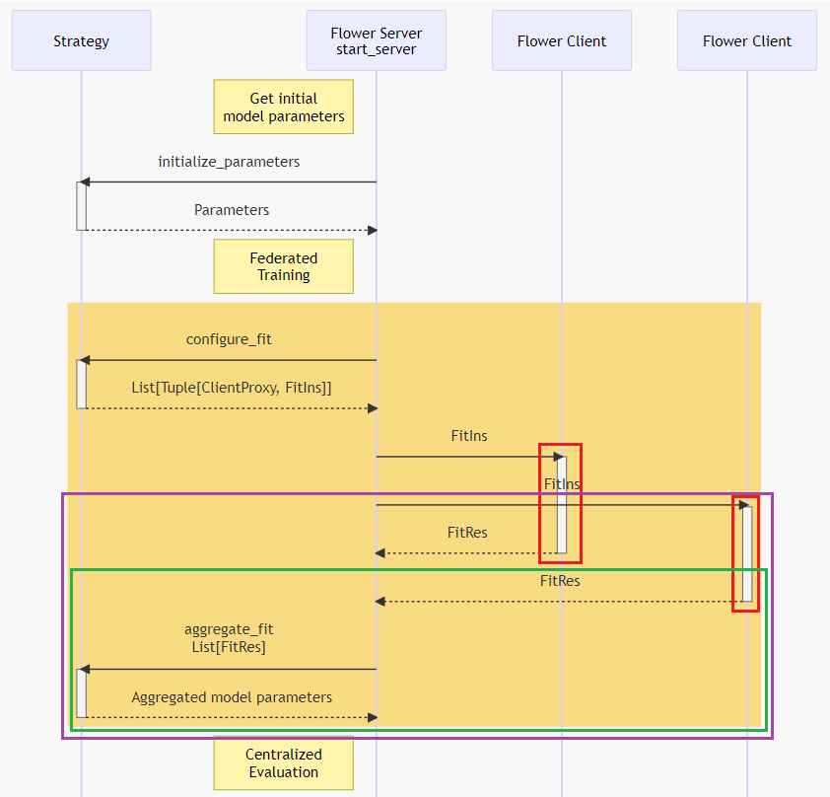
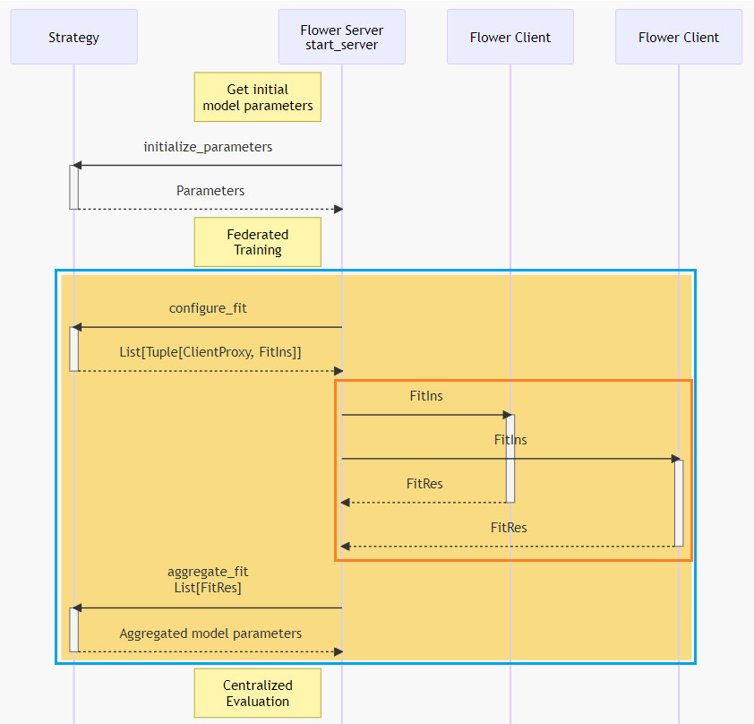
Simulation Parameters
Input Parameters |  | Output Parameters |  | Description
nA | # of clientsA | TT | Training Time (Client) | The time a X client spends training its model on local data. More data or complex models increase this time.
nB | # of clientsB | CT | Communication Time (Client) | The time needed for a X client to send the updated model to the central server. This includes sending its updated model to the server and receiving the global model back.
NUM_ROUNDS | # of FL rounds | TrT | Total Client Round Time (Client) | The total time for a X client to complete a Federated Learning round, including both training and communication time.
eA | # epochs in model A | SRT1 | Total Training Time | The time needed to perform local training considering all clients from both clusters
eB | # epochs in model B | SRT2 | Total Round Time | The time needed to perform a compleete eFederated Learning round
 |  | TL | Train Loss | The error or difference between the model’s predictions and the actual values during local training. Lower loss means the model is improving.
 |  | TA | Train Accuracy | The percentage of correct predictions made by the model on the training data. Higher accuracy means the model is learning effectively.
 |  | TF1 | Train F1 Score | A measure combining precision and recall for the model’s predictions on the training data. A higher F1 score means better balance between precision and recall.
 |  | VL | Val. Loss | The error when testing the model on a separate validation dataset. Lower loss means the model generalizes better.
 |  | VA | Val. Accuracy | The percentage of correct predictions made by the model on the validation data. High accuracy suggests the model generalizes well and isn’t overfitting
 |  | VF1 | Val. F1 Score | A measure combining precision and recall for the model’s predictions on the validation data. A higher F1 score suggests the model generalizes well to new data without favoring one class too much.

